1. Title Page
Grocery Basket Analysis

Project Name: Grocery Basket Analysis
Date: 09/03/2021
Analyst Name: Eric Riesberg

Contents:
Population Flow
Consistency checks
Wrangling steps
Column derivations
Visualizations
Recommendations

2. Population Flow
Title page

Population flow

Exclusion flag
Condition: max_order <
Obervations to be removed:
Final total count of order_products_all:

Orders_products_combined
Orders_products_merged
Orders_products_all

Total: 32,404,859
Total: 32,434,489
Total: 32,404,859

1.) The grey boxes in the first row of the population flow represent the original data sets as they were when you downloaded them. In the Total fields you need to add the count of the rows when you imported the data set into Jupyter.
2.) The second row of boxes (coloured) represents the data sets after you manipulated them, e.g., removed missing values and duplicates. In the Total fields you need to add the count of the rows after conducting these operations. This offers a visual oveview of how the data flows throughout the data consistency checks.
3.) The third row, where also the arrows are coloured, represents the merges you performed between the datasets. In the Total fields you need to add the count of the rows in the merged datasets, so that you end up with the final dataset (in the red box). Keep in mind the final dataset should be without exclusions (based on the exclusion flag).

3. Consistency checks
 |  |  |  | Title page
Consistency checks

Dataset | Missing values | Missing values treatment | Duplicates
orders | first order (days_since) | change value to 0 | N/A
products | product_name | delete rows | 5 lines (deleted)
orders_products_prior | N/A | N/A | N/A
customers | first_name | keep missing values | N/A

4. Wrangling steps
 |  |  |  | Title page
Wrangling steps

Columns dropped | Columns renamed | Columns' type changed | Comment/Reason
eval_set |  |  | not needed
 | orders_dow |  | orders_day_of_week (clarity)
 |  | user_id | to string
 | order_number |  | user_order_number (clarity)
First Name |  |  | Potentially Identifiable Information
Surnam |  |  | Potentially Identifiable Information
 | Gender |  | gender
 | STATE |  | state
 | Age |  | age

5. Column derivations
 |  |  |  | Title page

Column derivations and aggregations

In this tab you should add tables below that the frequences of flags/label variables that you produced after deriving them. NB: don't do this for continuous variables, only for flags.
Dataset | New column | Column/s it was derived from | Conditions
 | price_range | prices ($x) | low (x<=5) mid (5<x<=15) high (x>15)
 | busiest day | orders_day_of_week (Day) | least (Tue/Wed) regularly (Mon/Thurs/Fri) most (Sat/Sun)
 | busiest _period_of_day | order_hour_of_day (hour) | fewest (23/0/1/2/3/4/5/6) average (7/8/17/18/19/20/21/22) most (9/10/11/12/13/14/15/16)\
 | loyalty_flag | max_order (#) | new (x<=10) regular (10<x<=40) loyal (x>=40)
 | spend_flag | avg_spend ($) | low (x<10) high (x>=10)
 | order_freq_flag | order_freq (median days since last order | nonfrequent (x>20) regular (20>=x>10) frequent (x<=10)
 | region | state | northeast midwest south west https://simple.wikipedia.org/wiki/List_of_regions_of_the_United_States
 | Income Level | income ($) | low (x<40500) middle (40500<=x<122000) high (x>=122000)
 | parent status | n_dependants (x=#), age (y=years) | no (x=0) young (x!=0, 18<=y<30) middle aged (x!=0, 30<=y<50) older (x!=0, y>=50)

6. Visualizations
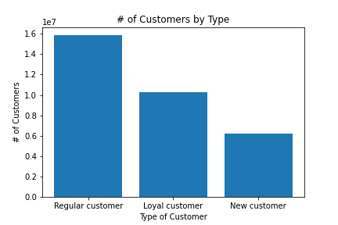
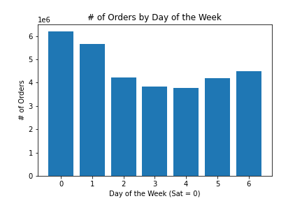
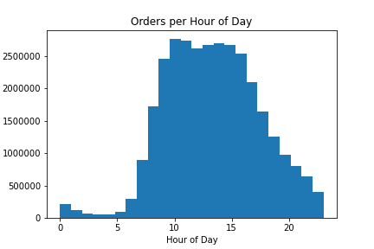
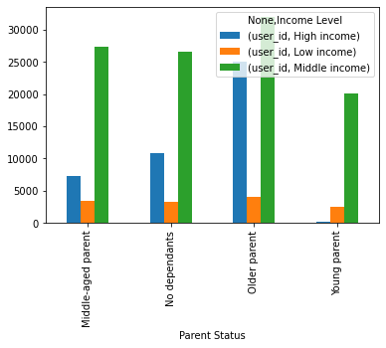
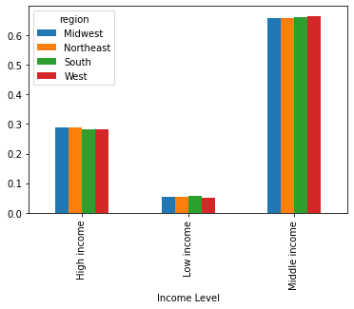
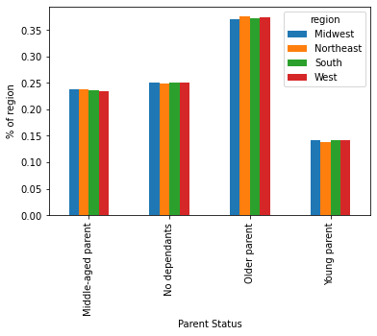
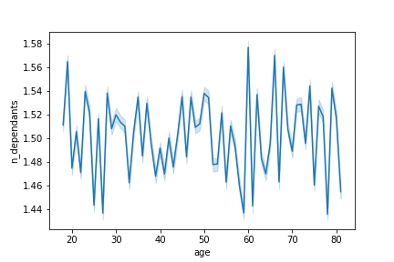
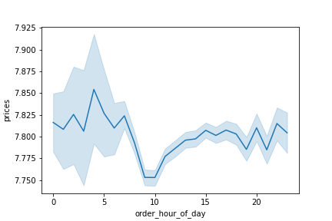
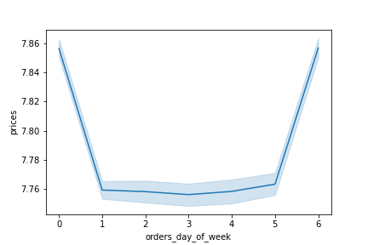
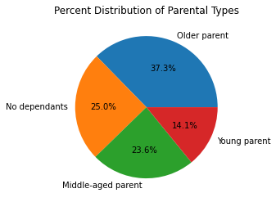
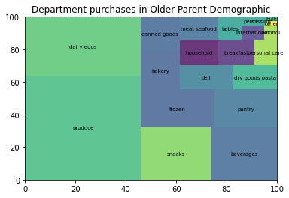
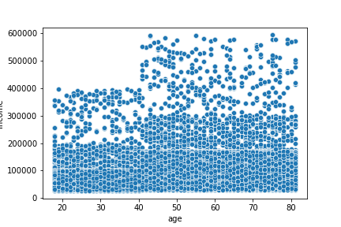
Title page

Visualisations

In this tab you should include all the visualtions from Exercises 4.9 and 4.10, alongside the questions from the project brief that they answer. Include any commentary on the relationship between different variables.

7. Recommendations
 |  |  |  |  | Title page

Recommendations

In this tab you should include any recommendations you would made to Instcart in terms of their marketing strategy based on the questions posed in the brief. Every key question has been covered in the Tasks of the Exercises - here you need to add an item - a visualisation or table/crosstable that is showing the answer in the data, acompanied by a comment from you. Please, list the questions below and add the answer underneath.

Question |  | Answer
What are the busiest days of the week and hours of the day?



The two charts above show that the busiest days of the week are the weekend (Sat = 0, Sun = 1), and that the busiest hours of the day are over the lunch hour. For advertisements to be the most effective, they should run when there are less customers using the platform, which is mid-week, and in the early evening.

When are the average prices of items the highest?

The two charts above show the average price of items at given times, and also during specific days of the week. By maximizing traffic at the peak times and days, revenue may be able to be increased. By targeting push notifications for the evenings on Friday and Saturday, less traffic is needed for equivalent revenue.

Which region has the best customers?
region | High spender | Low spender
Midwest | 2.05% | 97.95%
Northeast | 1.89% | 98.11%
South | 1.94% | 98.06%
West | 1.93% | 98.07%

According to the table above, the midwest region has the highest proportion of High Spenders. This lends itself well to marketing in the midwest, trying to capture a larger portion of high-spenders.

Which parental status should be targeted for future marketing?
Parent Status | Midwest | Northeast | South | West
Middle-aged parent | 23.70% | 23.78% | 23.51% | 23.46%
No dependants | 25.10% | 24.79% | 25.04% | 24.98%
Older parent | 37.06% | 37.54% | 37.23% | 37.46%
Young parent | 14.13% | 13.90% | 14.22% | 14.10%

According to the table above, which highlights the lowest proportion per region of each parental status group, the targeted ads should go to:
Middle-aged parents in the South/West
No dependants and young parents in the Northeast
Older parents in the Midwest

Which departments are most used?

According to the above charts, the Older Parent group is the largest demographic for parents. To take that demographic and breakdown which departments they frequent the most, we see that it is: Produce Dairy/Eggs Snacks Instacart should create ad campaigns that encourage older parents to buy more items from the above three categories, in order to increase a consistent department.

